BIFU
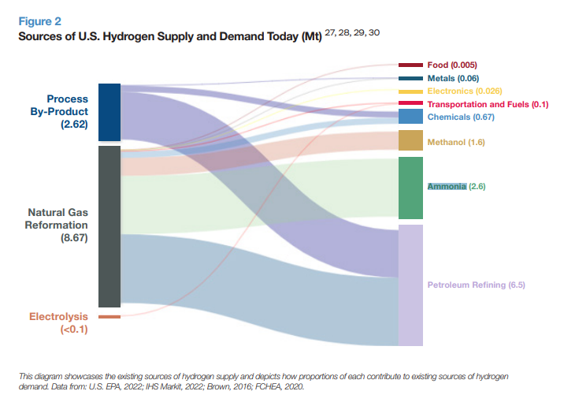
Unit: BTU | 2021
agriculture and forestry 01T03 | 0
coal mining 05 | 0
oil and gas extraction 06 | 0
other mining and quarrying 07T08 | 0
food beverage and tobacco 10T12 | 6.7381738174E+11
textiles apparel and leather 13T15 | 0
wood products 16 | 0
pulp paper and printing 17T18 | 0
refined petroleum and coke 19 | 483583466000000
chemicals 20 | 2.3831156032E+14
rubber and plastic products 22 | 0
glass and glass products 231 | 0
cement and other nonmetallic minerals 239 | 0
iron and steel 241 | 0
other metals 242 | 0
metal products except machinery and vehicles 25 | 0
computers and electronics 26 | 3.503850385E+12
appliances and electrical equipment 27 | 0
other machinery 28 | 0
road vehicles 29 | 0
nonroad vehicles 30 | 0
other manufacturing 31T33 | 0
energy pipelines and gas processing 352T353 | 0
water and waste 36T39 | 0
construction 41T43 | 0

Time (Year) | 2021
BAU Total Hydrogen Demand by Sector[transportation sector] : test | 5.07E+11
BAU Total Hydrogen Demand by Sector[electricity sector] : test | 0
BAU Total Hydrogen Demand by Sector[residential buildings sector] : test | 0
BAU Total Hydrogen Demand by Sector[commercial buildings sector] : test | 0
BAU Total Hydrogen Demand by Sector[industry sector] : test | 7.26E+14
BAU Total Hydrogen Demand by Sector[district heat and hydrogen sector] : test | 0
BAU Total Hydrogen Demand by Sector[LULUCF sector] : test | 0
BAU Total Hydrogen Demand by Sector[geoengineering sector] : test | 0

